1. Title Page
Instacart Grocery Basket Analysis

Project Name: Instacart Grocery Basket Analysis
Date: 10/28/2023
Analyst Name: Ryan Kelly

Contents:
Population Flow
Consistency checks
Wrangling steps
Column derivations
Visualizations
Recommendations

2. Population Flow
Title page

Population flow

Exclusion flag
Condition: max_order <
Obervations to be removed:
Final total count of order_products_all:

Orders_products_combined
Orders_products_merged
Orders_products_all

Total: 32,434,212
Total: 32,434,489
Total: 32,434,211

1.) The grey boxes in the first row of the population flow represent the original data sets as they were when you downloaded them. In the Total fields you need to add the count of the rows when you imported the data set into Jupyter.
2.) The second row of boxes (coloured) represents the data sets after you manipulated them, e.g., removed missing values and duplicates. In the Total fields you need to add the count of the rows after conducting these operations. This offers a visual oveview of how the data flows throughout the data consistency checks.
3.) The third row, where also the arrows are coloured, represents the merges you performed between the datasets. In the Total fields you need to add the count of the rows in the merged datasets, so that you end up with the final dataset (in the red box). Keep in mind the final dataset should be without exclusions (based on the exclusion flag).

3. Consistency checks
 |  |  |  | Title page
Consistency checks

Dataset | Missing values | Missing values treatment | Duplicates
orders | 206,209 missing values (NaN) in the 'days_since_prior_order column. | No treatment, as the order number of all these customers is 1 - therefore no days since prior order datapoints. | No duplicates found
products | There are 16 missing values in the 'product_name' column. | 16 missing value rows were removed. | 5 duplicates founds
orders_products_prior | No missing values. | No treatment. | No duplicates found
customers | 11,259 missing values (NaN) in customer first_name column. | No treatment as each customer unique ID is present so items with missing values were kept. | No duplicates found

4. Wrangling steps
 |  |  |  | Title page
Wrangling steps

Columns dropped | Columns renamed | Columns' type changed | Comment/Reason
eval_set column dropped from orders |  |  | Unnecessary column
 | order_dow renamed to order_day_of_week in orders |  | Renamed to make more clear
 |  | order_id from orders changed from int to string | As it is an identifier it should be a string not an integer
 |  | Transposed departments from horizontal dataset to vertical | The department IDs must be transposed to match each with its correct department name.
 |  | product_name in products changed from int to string | As it is an identifier it should be a string not an integer
 | order_hour_of_day renamed to hour_of_order in orders |  | Renamed to make more clear
_merge column dropped from orders_products_combined |  |  | Unnecessary column
 | First Name renamed to first_name in customers |  | Renamed for consistency
 | Surnam renamed to last_name in customers |  | Renamed for consistency
 | Gender renamed to gender in customers |  | Renamed for consistency
 | STATE renamed to state in customers |  | Renamed for consistency
 | Age renamed to age in customers |  | Renamed for consistency
 | n_dependents renamed to dependents in customers |  | Renamed to make more clear
first_name |  |  | Removed as it is PII
last_name |  |  | Removed as it is PII

5. Column derivations
 |  |  |  | Title page

Column derivations and aggregations
Column derivations and aggregations

In this tab you should add tables below that the frequences of flags/label variables that you produced after deriving them. NB: don't do this for continuous variables, only for flags.
In this tab you should add tables below that the frequences of flags/label variables that you produced after deriving them. NB: don't do this for continuous variables, only for flags.
Dataset | New column | Column/s it was derived from | Conditions
ords_prods_merged | price_range_loc | prices | Low range product: prices <=5 Mid range product: prices >5 & <= 15 High range product: prices > 15
ords_prods_merged | busiest_day | orders_days_of_week | Busiest day: order_dow = 0 Least busy: order_dow = 4 Regularly busy: all else
ords_prods_merged | busiest_days | orders_days_of_week | Busiest Days: order_dow = 0 or 1 Slow days: order_dow = 4 or 3 Regularly days: all else
ords_prods_merged | busiest_period_of_day | hour_of_order | Most orders: value in 10, 11, 14, 15, 13, 12, 16, 9 Fewest orders: value in 23, 6, 0, 1, 5, 2, 4, 3 Average orders: all else
ords_products_merged_updated | max_order | user_id, order_number | Max number of orders for each user_id
ords_products_merged_updated | loyalty_flag | max_order | Loyal customer: max_order > 40 Regular Customer: max_order <= 40 & >10 New Customer: max_order <= 10
ords_products_merged_updated | mean_price | user_id, prices | Mean prices for each user_id
ords_products_merged_updated | spending_flag | mean_price | Low spender: avg price < 10 High spender: avg price >= 10
ords_products_merged_updated | median_days | user_id, days_since_prior_order | Median number of orders
ords_products_merged_updated | frequency_flag | median_days | Non-frequent customer: median_days >20 Regular customer: median_days <= 20 & >10 Frequent customer: median_days <=10
ords_prods_merged | region | state | If state is 'Maine', 'New Hampshire', 'Vermont', 'Massachusetts', 'Rhode Island', 'Connecticut', 'New York', 'Pennsylvania', 'New Jersey', name 'Northeast' If state is 'Wisconsin', 'Michigan', 'Illinois', 'Indiana', 'Ohio', 'North Dakota', 'South Dakota', 'Nebraska', 'Kansas', 'Minnesota', 'Iowa', 'Missouri' then name 'Midwest' If state is 'Delaware', 'Maryland', 'District of Columbia', 'Virginia', 'West Virginia', 'North Carolina', 'South Carolina', 'Georgia', 'Florida', 'Kentucky', 'Tennessee', 'Mississippi', 'Alabama', 'Oklahoma', 'Texas', 'Arkansas', 'Louisiana' then name 'South' If state is 'Idaho', 'Montana', 'Wyoming', 'Nevada', 'Utah', 'Colorado', 'Arizona', 'New Mexico', 'Alaska', 'Washington', 'Oregon', 'California', 'Hawaii' then name 'West'
ords_prods_merged | age_group | age | if age >= 18 and <= 29 name 'Young adult (18-29)' if age >= 30 and <= 45 name 'Adult (30-45)' if age >= 46 and <= 64 name 'Adult (46-64)' if age >= 65 name 'Senior (65+)'
ords_prods_merged | income_group | income | if income <= 67000 name 'Low income' if income > 67000 and <= 125000 name 'Medium income' if income > 125000+ name 'High income'
ords_prods_merged | fam_status | fam_status and dependents | if fam_status is 'divorced/widowed' or 'single' name 'Single adult' if fam_status is 'married' name 'Married with dependents' if fam_status is 'living with parents and siblings' name 'Young adult'

6. Visualizations
Title page

Visualisations

In this tab you should include all the visualtions from Exercises 4.9 and 4.10, alongside the questions from the project brief that they answer. Include any commentary on the relationship between different variables.

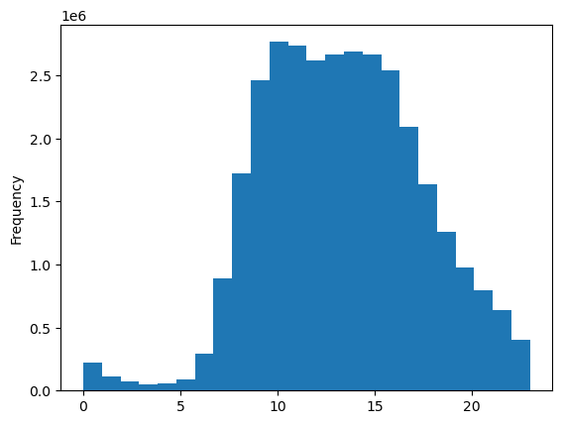
You need to provide the Instacart senior stakeholders with descriptive findings about sales.
The histogram indicates a gradual increase in orders beginning at 7 AM, reaching its peak at 10 AM, and maintaining a high level of activity until 4 PM. This pattern strongly suggests that the most frequent ordering occurs during the lunchtime hours.

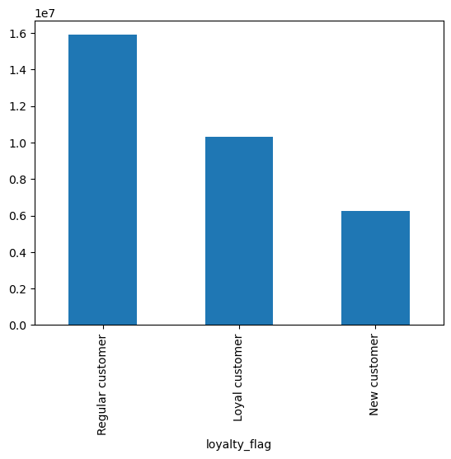
The marketing team is curious about the distribution of orders among customers in terms of loyalty.
This bar chart indicates that about 50% of orders come from regular customers, 30% from loyal customers, and the remaining 20% from new customers.

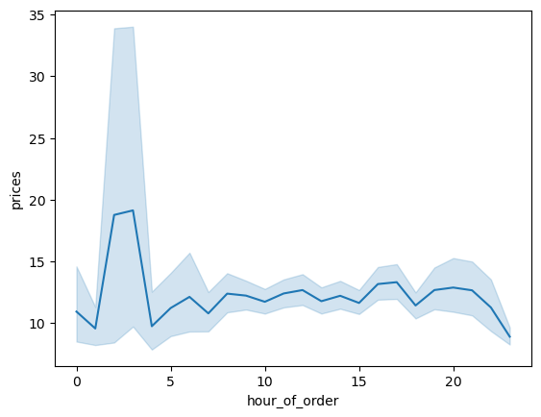
The marketing team is curious about whether there’s a difference in expenditure (the “prices” column) depending on the hour of the day.
The line chart shows that during the early morning hours, more expensive products are bought.

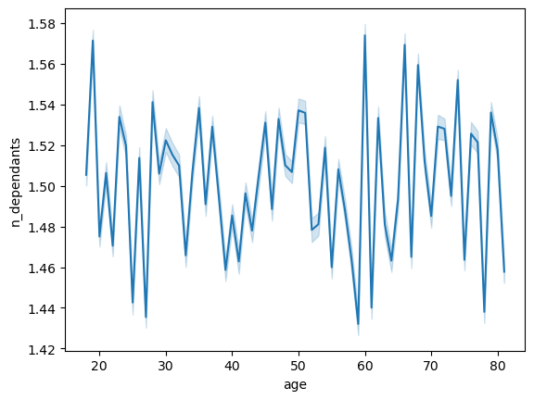
Conduct some exploratory analysis of customer demographics to inform the targeted marketing campaigns.
The line chart shows no correlation between age and number of dependents.


Explore whether there’s a connection between age and spending power (income).
The scatterplot shows a sharp increase in very high income earners at age 40 and a greater concentration of high to middle income at the same age extending on through age 80. This indicates that the highest eaarners are customers aged 40 to 80.

7. Recommendations
 |  | Title page

Recommendations
Visualisations

In this tab you should include all the visualtions from Exercises 4.9 and 4.10, alongside the questions from the project brief that they answer. Include any commentary on the relationship between different variables.
In this tab you should include any recommendations you would made to Instcart in terms of their marketing strategy based on the questions posed in the brief. Every key question has been covered in the Tasks of the Exercises - here you need to add an item - a visualisation or table/crosstable that is showing the answer in the data, acompanied by a comment from you. Please, list the questions below and add the answer underneath.

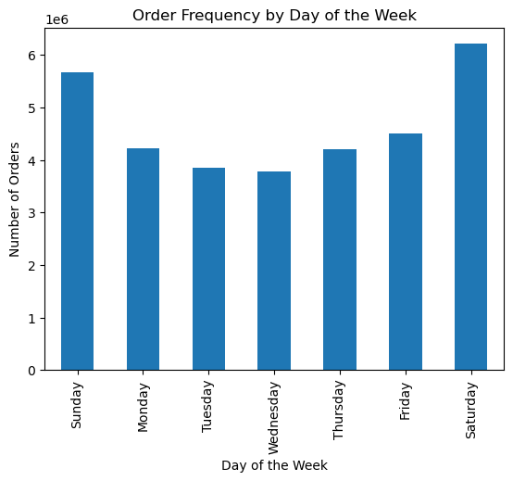
The sales team needs to know what the busiest days of the week and hours of theday are (i.e., the days and times with the most orders) in order to schedule ads at times when there are fewer orders.
The line graph shows that the busiest days are Saturday and Sunday. The least busy day is Wednesday.
 | Orders by day of the week

The sales team needs to know what the busiest days of the week and hours of theday are (i.e., the days and times with the most orders) in order to schedule ads at times when there are fewer orders.
As shown in the presented histogram, orders are lowest at 3 am and reach their peak at 10 am. The busiest period spans from 10 am to 4 pm.
They also want to know whether there are particular times of the day when people spend the most money, as this might inform the type of products they advertise at these times.
The presented historgram shows sales by department with an additional grouping for the price of the products. Products under $4.20 are considered low priced, $4.20 to 11.30 are considered middle priced, and over $11.30 is considered high priced.

Are there certain types of products that are more popular than others? The marketing and sales teams want to know which departments have the highest frequency of product orders.

Instacart has a lot of products with different price tags. Marketing and sales want to use simpler price range groupings to help direct their efforts.
The presented historgram shows sales by department with an additional grouping for the price of the products. Products under $4.20 are considered low priced, $4.20 to 11.30 are considered middle priced, and over $11.30 is considered high priced.
Are there certain types of products that are more popular than others? The marketing and sales teams want to know which departments have the highest frequency of product orders.
The presented histogram also shows that produce, dairy, eggs, snacks, and frozen foods are the most popular products.
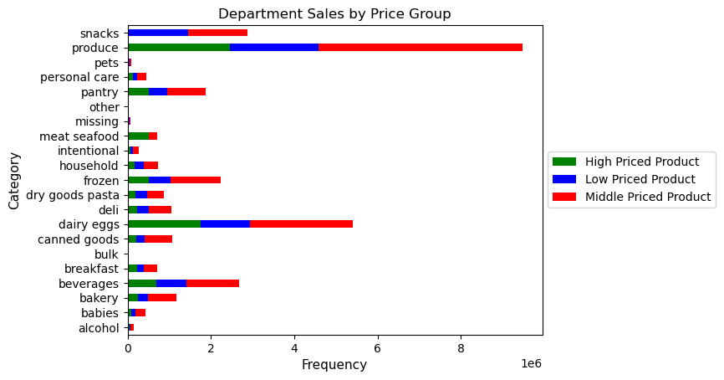

What differences can you find in ordering habits of different customer profiles? Consider the price of orders, the frequency of orders, the products customers are ordering, and anything else you can think of.

What’s the distribution among users in regards to their brand loyalty (i.e., how often do they return to Instacart)?
The distribution among users concerning brand loyalty, specifically in terms of returning to Instacart, shows that most users are frequent customers. These frequent customers, who make subsequent orders within 10 days of their previous purchase, represent a substantial portion of the user base. Meanwhile, there are fewer loyal customers, who make up the lowest percentage of users but contribute significantly to the number of orders placed.

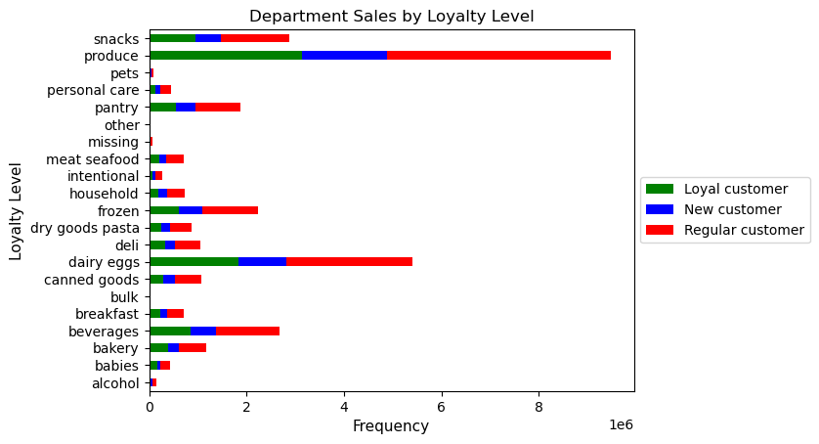
Are there differences in ordering habits based on a customer’s loyalty status?
Yes, the data indicates differences in ordering habits based on a customer's loyalty status. It reveals that while new customers make up the majority in terms of users, regular customers contribute the most to the number of orders. Additionally, loyal customers, although fewer in number, account for the second highest number of orders. This shows distinct ordering patterns influenced by loyalty status, with regular and loyal customers having more significant order contributions compared to new customers.

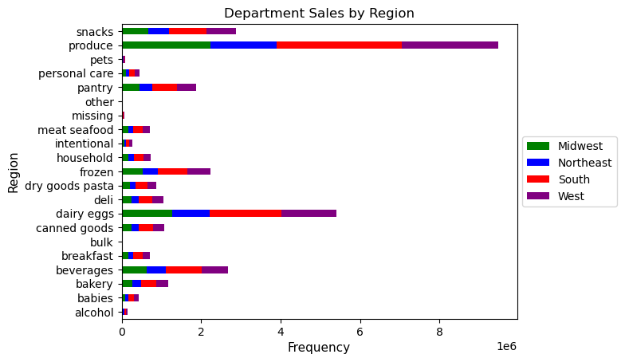
Are there differences in ordering habits based on a customer’s region?
Yes, there are differences in ordering habits based on a customer's region. The data suggests regional variations in customer ordering behavior. For instance, the South region consistently leads in the number of orders across various customer profiles, indicating distinct preferences or behaviors in that area. Additionally, different regions exhibit varying order frequencies, indicating a need to tailor marketing and product offerings to match regional preferences and trends.
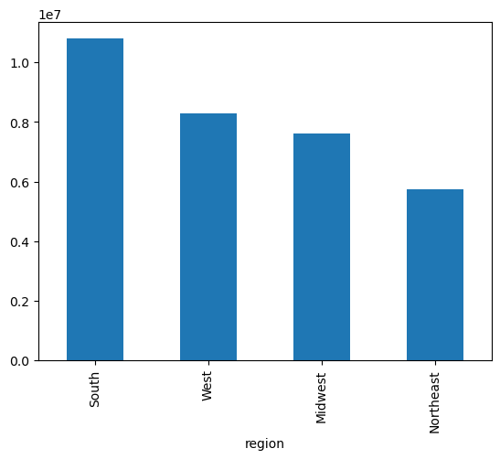

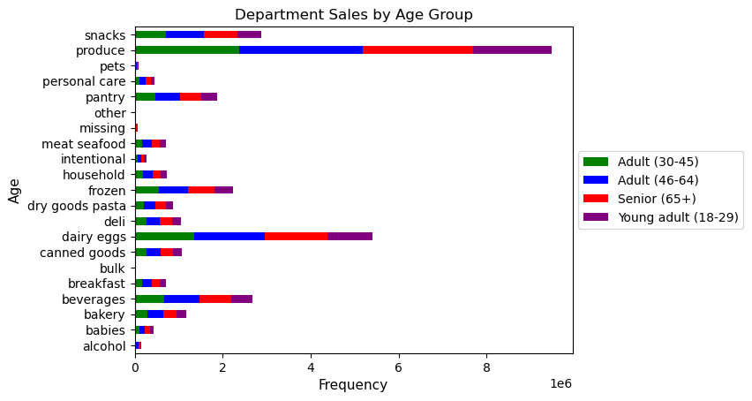
Is there a connection between age and family status in terms of ordering habits?
The data shows a clear link between age and family status in ordering habits. Middle-aged (35-64) and older individuals (65+) who are often married with children make up a significant part of customers and contribute a lot to orders. This suggests that people in these age groups, particularly those with families, strongly influence how they shop, likely because of their specific needs and preferences.
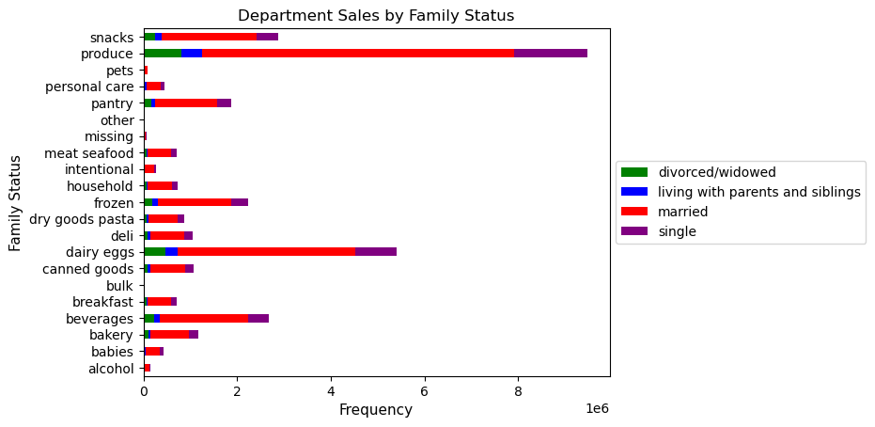

What different classifications does the demographic information suggest? Age? Income? Certain types of goods? Family status?
Demographic information offers valuable insights into various classifications such as age, income, family status, and geographic location. These categories help businesses understand consumer behaviors and tailor products and services to specific needs. By analyzing these demographic segments, companies can target their marketing strategies more effectively, addressing the diverse preferences and requirements of different groups within a population.
What differences can you find in ordering habits of different customer profiles? Consider the price of orders, the frequency of orders, the products customers are ordering, and anything else you can think of.
Customers differ in how often they order: some buy more frequently, like the frequent customers, while others, like regular customers, order a bit less often but still regularly. Loyal customers, fewer in number, tend to buy larger or more expensive orders, contributing a lot to overall sales. Despite these differences, they all seem to like a wide range of products equally, no matter their loyalty status.

